Plane Stress
Mohr's Circle Recall that angles shown on mohr's circle are halved in real life.
J.Williams
This sheet takes inputs of a stress plane and plot
Finds 2 principle stresses, max shear stress, and plots Mohr's circle.

Key | Inputs | Outputs | Important Outputs

Inputs
Parameter | Value | Units | Description
σx | 103.124 | MPa | Stress in x-direction
σy | 0 | MPa | Stress in y-direction
τxy | 22.91831 | MPa | Shear stress
Sy | 329 | MPa | Yield Strength (Tensile)
Sy,c | 359 | MPa | Yield Strength (Compressive)
Mohr Circle Chart Offset | 1.5 |  | This is just how much you want Mohr's Circle to be away from the end points of your chart.

Outputs
Parameter | Value | Units | Description
 | 164.500 | MPa | MSS Shear Strength Prediction
 | 189.95 | MPa | Distortion-Energy Shear Strength Prediction
σavg | 51.562 | MPa | Average Normal Stress
σmax | 107.99 | MPa | 1st Principal Stress
σmin | -4.86 | MPa | 2nd Principal Stress
τmax | 56.43 | MPa | Max Shear Stress
MSS Criteria | Pass | Pass/Fail | MSS Criteria Test Result
n_MSS | 2.915 | - | Factor of Safety for MSS Criteria
θ | 11.98 | deg | Angle needed to rotate element to achieve pure normal stess | 23.96422002 | deg angle on Mohr's circle
θ | 101.98 | deg | Angle needed to rotate element to achieve pure normal stess | 203.96422002 | deg angle on Mohr's circle
σ' | 110.50025419 | MPa | 2D Von-Mises Stress
DE Criteria | Pass | Pass/Fail | Distorion Energy Criteria Test Result (Von Mises)
n_von_mises | 2.977 | - | Factor of Safety for Von Mises Stress
n_CM | 2.926 |  | Factor of Safety for Coulomb-Mohr DO not think this is right
MSS Failure Locus If outside of MSS hex, fails MSS criteria Load line useful to show direction stress state will travel IF stress in planes stay proprtional to one another
MSS Criteria
Case | Criteria | Pass/Fail
1 | σA <= Sy | Pass
2 | σB >= -Sy | Pass
3 | σA <= σB + Sy | Pass

Recommend to set Chart Axis close to this initially (uses Chart Offset Input):
 | x-axis | y
Min | -6.36 | 57.93
Max | 109.49 | -57.93

Radius | 56.425958364

 | sigma | tau
original state | 103.124 | -22.91831 | Max Shear
center | 51.562 | 0 | 56.425958364
180 deg state | 0 | 22.91831 | -56.425958364
Mohr circle chart data
Sigmas | Tau >0 (Top Arc) | Tau<0 (Bottom Arc)
-4.864 | 0.000 | 0.000
-3.735 | 11.229 | -11.229
-2.607 | 15.799 | -15.799
-1.478 | 19.251 | -19.251 |  |  |  |  |  |  |  |  | Von Mises Chart Boundary
-0.350 | 22.114 | -22.114 |  |  |  | Data for MSS failure locus chart |  |  | Load Line |  | Sigma A | Sigma B Lower | Sigma B Upper | Sigma_B Lower | Sigma_B Upper
0.779 | 24.596 | -24.596 |  |  |  | Point | Sigma_A Direction | Sigma_B Direction | Sigma_A Direction | Sigma_B Direction | -411.25 | #NUM! | #NUM! | #N/A | #N/A
1.907 | 26.801 | -26.801 |  |  |  | 1 | 329 | 0 | 0 | 0 | -407.1375 | #NUM! | #NUM! | #N/A | #N/A
3.036 | 28.794 | -28.794 |  |  |  | 2 | 329 | 329 | 107.98795836 | -4.8639583636 | -403.025 | #NUM! | #NUM! | #N/A | #N/A
4.164 | 30.616 | -30.616 |  |  |  | 3 | 0 | 329 |  |  | -398.9125 | #NUM! | #NUM! | #N/A | #N/A
5.293 | 32.296 | -32.296 |  |  |  | 4 | -329 | 0 |  |  | -394.8 | #NUM! | #NUM! | #N/A | #N/A
6.421 | 33.856 | -33.856 |  |  |  | 5 | -329 | -329 |  |  | -390.6875 | #NUM! | #NUM! | #N/A | #N/A
7.550 | 35.310 | -35.310 |  |  |  | 6 | 0 | -329 |  |  | -386.575 | #NUM! | #NUM! | #N/A | #N/A
8.678 | 36.673 | -36.673 |  |  |  | 1 | 329 | 0 |  |  | -382.4625 | #NUM! | #NUM! | -191.23125 | -191.23125
9.807 | 37.952 | -37.952 |  |  |  |  |  |  |  |  | -378.35 | -218.83065924 | -159.51934076 | -218.83065924 | -159.51934076
10.935 | 39.158 | -39.158 |  |  |  | Data for Coulomb-Mohr failure locus chart |  |  |  |  | -374.2375 | -243.69365782 | -130.54384218 | -243.69365782 | -130.54384218
12.064 | 40.296 | -40.296 |  |  |  | Point | Sigma_A Direction | Sigma_B Direction |  |  | -370.125 | -259.2016481 | -110.9233519 | -259.2016481 | -110.9233519
13.192 | 41.372 | -41.372 |  |  |  | 1 | 329 | 0 |  |  | -366.0125 | -271.13761435 | -94.874885646 | -271.13761435 | -94.874885646
14.321 | 42.391 | -42.391 |  |  |  | 2 | 329 | 329 |  |  | -361.9 | -281.01144362 | -80.888556377 | -281.01144362 | -80.888556377
15.449 | 43.356 | -43.356 |  |  |  | 3 | 0 | 329 |  |  | -357.7875 | -289.49247799 | -68.295022011 | -289.49247799 | -68.295022011
16.578 | 44.272 | -44.272 |  |  |  | 4 | -359 | 0 |  |  | -353.675 | -296.94784835 | -56.727151648 | -296.94784835 | -56.727151648
17.706 | 45.141 | -45.141 |  |  |  | 5 | -359 | -359 |  |  | -349.5625 | -303.60494326 | -45.957556739 | -303.60494326 | -45.957556739
18.835 | 45.966 | -45.966 |  |  |  | 6 | 0 | -359 |  |  | -345.45 | -309.61628214 | -35.833717863 | -309.61628214 | -35.833717863
19.963 | 46.748 | -46.748 |  |  |  | 1 | 329 | 0 |  |  | -341.3375 | -315.09012418 | -26.247375819 | -315.09012418 | -26.247375819
21.092 | 47.492 | -47.492 |  |  |  |  |  |  |  |  | -337.225 | -320.10664025 | -17.118359746 | -320.10664025 | -17.118359746
22.221 | 48.197 | -48.197 |  |  |  |  |  |  |  |  | -333.1125 | -324.72719157 | -8.3853084279 | -324.72719157 | -8.3853084279
23.349 | 48.866 | -48.866 |  |  |  |  |  |  |  |  | -329 | -329 | 4.5474735089E-13 | -329 | 4.5474735089E-13
24.478 | 49.501 | -49.501 |  |  |  |  |  |  |  |  | -324.8875 | -332.96379063 | 8.076290634 | -332.96379063 | 8.076290634
25.606 | 50.102 | -50.102 |  |  |  |  |  |  |  |  | -320.775 | -336.65022871 | 15.875228707 | -336.65022871 | 15.875228707
26.735 | 50.670 | -50.670 |  |  |  |  |  |  |  |  | -316.6625 | -340.08560571 | 23.423105712 | -340.08560571 | 23.423105712
27.863 | 51.208 | -51.208 |  |  |  |  |  |  |  |  | -312.55 | -343.29203966 | 30.742039665 | -343.29203966 | 30.742039665
28.992 | 51.715 | -51.715 |  |  |  |  |  |  |  |  | -308.4375 | -346.28835052 | 37.850850524 | -346.28835052 | 37.850850524
30.120 | 52.193 | -52.193 |  |  |  |  |  |  |  |  | -304.325 | -349.09071225 | 44.765712253 | -349.09071225 | 44.765712253
31.249 | 52.643 | -52.643 |  |  |  |  |  |  |  |  | -300.2125 | -351.71314753 | 51.500647533 | -351.71314753 | 51.500647533
32.377 | 53.064 | -53.064 |  |  |  |  |  |  |  |  | -296.1 | -354.16790922 | 58.067909217 | -354.16790922 | 58.067909217
33.506 | 53.459 | -53.459 |  |  |  |  |  |  |  |  | -291.9875 | -356.46577874 | 64.478278742 | -356.46577874 | 64.478278742
34.634 | 53.827 | -53.827 |  |  |  |  |  |  |  |  | -287.875 | -358.61630259 | 70.741302589 | -358.61630259 | 70.741302589
35.763 | 54.169 | -54.169 |  |  |  |  |  |  |  |  | -283.7625 | -360.62798185 | 76.865481851 | -360.62798185 | 76.865481851
36.891 | 54.485 | -54.485 |  |  |  |  |  |  |  |  | -279.65 | -362.5084258 | 82.858425798 | -362.5084258 | 82.858425798
38.020 | 54.777 | -54.777 |  |  |  |  |  |  |  |  | -275.5375 | -364.26447749 | 88.726977488 | -364.26447749 | 88.726977488
39.148 | 55.044 | -55.044 |  |  |  |  |  |  |  |  | -271.425 | -365.90231739 | 94.477317393 | -365.90231739 | 94.477317393
40.277 | 55.286 | -55.286 |  |  |  |  |  |  |  |  | -267.3125 | -367.42754958 | 100.11504958 | -367.42754958 | 100.11504958
41.405 | 55.504 | -55.504 |  |  |  |  |  |  |  |  | -263.2 | -368.84527393 | 105.64527393 | -368.84527393 | 105.64527393
42.534 | 55.699 | -55.699 |  |  |  |  |  |  |  |  | -259.0875 | -370.16014701 | 111.07264701 | -370.16014701 | 111.07264701
43.662 | 55.870 | -55.870 |  |  |  |  |  |  |  |  | -254.975 | -371.3764338 | 116.4014338 | -371.3764338 | 116.4014338
44.791 | 56.018 | -56.018 |  |  |  |  |  |  |  |  | -250.8625 | -372.49805184 | 121.63555184 | -372.49805184 | 121.63555184
45.919 | 56.143 | -56.143 |  |  |  |  |  |  |  |  | -246.75 | -373.52860906 | 126.77860906 | -373.52860906 | 126.77860906
47.048 | 56.245 | -56.245 |  |  |  |  |  |  |  |  | -242.6375 | -374.47143653 | 131.83393653 | -374.47143653 | 131.83393653
48.176 | 56.324 | -56.324 |  |  |  |  |  |  |  |  | -238.525 | -375.32961675 | 136.80461675 | -375.32961675 | 136.80461675
49.305 | 56.381 | -56.381 |  |  |  |  |  |  |  |  | -234.4125 | -376.10600837 | 141.69350837 | -376.10600837 | 141.69350837
50.433 | 56.415 | -56.415 |  |  |  |  |  |  |  |  | -230.3 | -376.8032677 | 146.5032677 | -376.8032677 | 146.5032677
51.562 | 56.426 | -56.426 |  |  |  |  |  |  |  |  | -226.1875 | -377.42386772 | 151.23636772 | -377.42386772 | 151.23636772
52.691 | 56.415 | -56.415 |  |  |  |  |  |  |  |  | -222.075 | -377.97011468 | 155.89511468 | -377.97011468 | 155.89511468
53.819 | 56.381 | -56.381 |  |  |  |  |  |  |  |  | -217.9625 | -378.44416293 | 160.48166293 | -378.44416293 | 160.48166293
54.948 | 56.324 | -56.324 |  |  |  |  |  |  |  |  | -213.85 | -378.84802794 | 164.99802794 | -378.84802794 | 164.99802794
56.076 | 56.245 | -56.245 |  |  |  |  |  |  |  |  | -209.7375 | -379.18359798 | 169.44609798 | -379.18359798 | 169.44609798
57.205 | 56.143 | -56.143 |  |  |  |  |  |  |  |  | -205.625 | -379.45264447 | 173.82764447 | -379.45264447 | 173.82764447
58.333 | 56.018 | -56.018 |  |  |  |  |  |  |  |  | -201.5125 | -379.65683131 | 178.14433131 | -379.65683131 | 178.14433131
59.462 | 55.870 | -55.870 |  |  |  |  |  |  |  |  | -197.4 | -379.79772322 | 182.39772322 | -379.79772322 | 182.39772322
60.590 | 55.699 | -55.699 |  |  |  |  |  |  |  |  | -193.2875 | -379.8767932 | 186.5892932 | -379.8767932 | 186.5892932
61.719 | 55.504 | -55.504 |  |  |  |  |  |  |  |  | -189.175 | -379.89542932 | 190.72042932 | -379.89542932 | 190.72042932
62.847 | 55.286 | -55.286 |  |  |  |  |  |  |  |  | -185.0625 | -379.85494084 | 194.79244084 | -379.85494084 | 194.79244084
63.976 | 55.044 | -55.044 |  |  |  |  |  |  |  |  | -180.95 | -379.75656375 | 198.80656375 | -379.75656375 | 198.80656375
65.104 | 54.777 | -54.777 |  |  |  |  |  |  |  |  | -176.8375 | -379.60146574 | 202.76396574 | -379.60146574 | 202.76396574
66.233 | 54.485 | -54.485 |  |  |  |  |  |  |  |  | -172.725 | -379.39075082 | 206.66575082 | -379.39075082 | 206.66575082
67.361 | 54.169 | -54.169 |  |  |  |  |  |  |  |  | -168.6125 | -379.12546347 | 210.51296347 | -379.12546347 | 210.51296347
68.490 | 53.827 | -53.827 |  |  |  |  |  |  |  |  | -164.5 | -378.80659241 | 214.30659241 | -378.80659241 | 214.30659241
69.618 | 53.459 | -53.459 |  |  |  |  |  |  |  |  | -160.3875 | -378.43507407 | 218.04757407 | -378.43507407 | 218.04757407
70.747 | 53.064 | -53.064 |  |  |  |  |  |  |  |  | -156.275 | -378.0117958 | 221.7367958 | -378.0117958 | 221.7367958
71.875 | 52.643 | -52.643 |  |  |  |  |  |  |  |  | -152.1625 | -377.53759874 | 225.37509874 | -377.53759874 | 225.37509874
73.004 | 52.193 | -52.193 |  |  |  |  |  |  |  |  | -148.05 | -377.01328051 | 228.96328051 | -377.01328051 | 228.96328051
74.132 | 51.715 | -51.715 |  |  |  |  |  |  |  |  | -143.9375 | -376.43959765 | 232.50209765 | -376.43959765 | 232.50209765
75.261 | 51.208 | -51.208 |  |  |  |  |  |  |  |  | -139.825 | -375.81726791 | 235.99226791 | -375.81726791 | 235.99226791
76.389 | 50.670 | -50.670 |  |  |  |  |  |  |  |  | -135.7125 | -375.14697229 | 239.43447229 | -375.14697229 | 239.43447229
77.518 | 50.102 | -50.102 |  |  |  |  |  |  |  |  | -131.6 | -374.429357 | 242.829357 | -374.429357 | 242.829357
78.646 | 49.501 | -49.501 |  |  |  |  |  |  |  |  | -127.4875 | -373.66503518 | 246.17753518 | -373.66503518 | 246.17753518
79.775 | 48.866 | -48.866 |  |  |  |  |  |  |  |  | -123.375 | -372.85458861 | 249.47958861 | -372.85458861 | 249.47958861
80.903 | 48.197 | -48.197 |  |  |  |  |  |  |  |  | -119.2625 | -371.99856915 | 252.73606915 | -371.99856915 | 252.73606915
82.032 | 47.492 | -47.492 |  |  |  |  |  |  |  |  | -115.15 | -371.09750019 | 255.94750019 | -371.09750019 | 255.94750019
83.161 | 46.748 | -46.748 |  |  |  |  |  |  |  |  | -111.0375 | -370.15187794 | 259.11437794 | -370.15187794 | 259.11437794
84.289 | 45.966 | -45.966 |  |  |  |  |  |  |  |  | -106.925 | -369.1621726 | 262.2371726 | -369.1621726 | 262.2371726
85.418 | 45.141 | -45.141 |  |  |  |  |  |  |  |  | -102.8125 | -368.12882953 | 265.31632953 | -368.12882953 | 265.31632953
86.546 | 44.272 | -44.272 |  |  |  |  |  |  |  |  | -98.7 | -367.05227022 | 268.35227022 | -367.05227022 | 268.35227022
87.675 | 43.356 | -43.356 |  |  |  |  |  |  |  |  | -94.5875 | -365.93289328 | 271.34539328 | -365.93289328 | 271.34539328
88.803 | 42.391 | -42.391 |  |  |  |  |  |  |  |  | -90.475 | -364.77107536 | 274.29607536 | -364.77107536 | 274.29607536
89.932 | 41.372 | -41.372 |  |  |  |  |  |  |  |  | -86.3625 | -363.56717189 | 277.20467189 | -363.56717189 | 277.20467189
91.060 | 40.296 | -40.296 |  |  |  |  |  |  |  |  | -82.25 | -362.32151792 | 280.07151792 | -362.32151792 | 280.07151792
92.189 | 39.158 | -39.158 |  |  |  |  |  |  |  |  | -78.1375 | -361.03442879 | 282.89692879 | -361.03442879 | 282.89692879
93.317 | 37.952 | -37.952 |  |  |  |  |  |  |  |  | -74.025 | -359.70620079 | 285.68120079 | -359.70620079 | 285.68120079
94.446 | 36.673 | -36.673 |  |  |  |  |  |  |  |  | -69.9125 | -358.33711177 | 288.42461177 | -358.33711177 | 288.42461177
95.574 | 35.310 | -35.310 |  |  |  |  |  |  |  |  | -65.8 | -356.92742168 | 291.12742168 | -356.92742168 | 291.12742168
96.703 | 33.856 | -33.856 |  |  |  |  |  |  |  |  | -61.6875 | -355.47737312 | 293.78987312 | -355.47737312 | 293.78987312
97.831 | 32.296 | -32.296 |  |  |  |  |  |  |  |  | -57.575 | -353.98719178 | 296.41219178 | -353.98719178 | 296.41219178
98.960 | 30.616 | -30.616 |  |  |  |  |  |  |  |  | -53.4625 | -352.45708689 | 298.99458689 | -352.45708689 | 298.99458689
100.088 | 28.794 | -28.794 |  |  |  |  |  |  |  |  | -49.35 | -350.88725165 | 301.53725165 | -350.88725165 | 301.53725165
101.217 | 26.801 | -26.801 |  |  |  |  |  |  |  |  | -45.2375 | -349.27786352 | 304.04036352 | -349.27786352 | 304.04036352
102.345 | 24.596 | -24.596 |  |  |  |  |  |  |  |  | -41.125 | -347.62908463 | 306.50408463 | -347.62908463 | 306.50408463
103.474 | 22.114 | -22.114 |  |  |  |  |  |  |  |  | -37.0125 | -345.94106204 | 308.92856204 | -345.94106204 | 308.92856204
104.602 | 19.251 | -19.251 |  |  |  |  |  |  |  |  | -32.9 | -344.213928 | 311.313928 | -344.213928 | 311.313928
105.731 | 15.799 | -15.799 |  |  |  |  |  |  |  |  | -28.7875 | -342.44780025 | 313.66030025 | -342.44780025 | 313.66030025
106.859 | 11.229 | -11.229 |  |  |  |  |  |  |  |  | -24.675 | -340.64278214 | 315.96778214 | -340.64278214 | 315.96778214
107.988 | 0.000 | 0.000 |  |  |  |  |  |  |  |  | -20.5625 | -338.79896291 | 318.23646291 | -338.79896291 | 318.23646291
 |  |  |  |  |  |  |  |  |  |  | -16.45 | -336.91641778 | 320.46641778 | -336.91641778 | 320.46641778
 |  |  |  |  |  |  |  |  |  |  | -12.3375 | -334.99520814 | 322.65770814 | -334.99520814 | 322.65770814
 |  |  |  |  |  |  |  |  |  |  | -8.225 | -333.03538159 | 324.81038159 | -333.03538159 | 324.81038159
 |  |  |  |  |  |  |  |  |  |  | -4.1125 | -331.03697209 | 326.92447209 | -331.03697209 | 326.92447209
 |  |  |  |  |  |  |  |  |  |  | 7.0876637892E-13 | -329 | 329 | -329 | 329
 |  |  |  |  |  |  |  |  |  |  | 4.1125 | -326.92447209 | 331.03697209 | -326.92447209 | 331.03697209
 |  |  |  |  |  |  |  |  |  |  | 8.225 | -324.81038159 | 333.03538159 | -324.81038159 | 333.03538159
 |  |  |  |  |  |  |  |  |  |  | 12.3375 | -322.65770814 | 334.99520814 | -322.65770814 | 334.99520814
 |  |  |  |  |  |  |  |  |  |  | 16.45 | -320.46641778 | 336.91641778 | -320.46641778 | 336.91641778
 |  |  |  |  |  |  |  |  |  |  | 20.5625 | -318.23646291 | 338.79896291 | -318.23646291 | 338.79896291
 |  |  |  |  |  |  |  |  |  |  | 24.675 | -315.96778214 | 340.64278214 | -315.96778214 | 340.64278214
 |  |  |  |  |  |  |  |  |  |  | 28.7875 | -313.66030025 | 342.44780025 | -313.66030025 | 342.44780025
 |  |  |  |  |  |  |  |  |  |  | 32.9 | -311.313928 | 344.213928 | -311.313928 | 344.213928
 |  |  |  |  |  |  |  |  |  |  | 37.0125 | -308.92856204 | 345.94106204 | -308.92856204 | 345.94106204
 |  |  |  |  |  |  |  |  |  |  | 41.125 | -306.50408463 | 347.62908463 | -306.50408463 | 347.62908463
 |  |  |  |  |  |  |  |  |  |  | 45.2375 | -304.04036352 | 349.27786352 | -304.04036352 | 349.27786352
 |  |  |  |  |  |  |  |  |  |  | 49.35 | -301.53725165 | 350.88725165 | -301.53725165 | 350.88725165
 |  |  |  |  |  |  |  |  |  |  | 53.4625 | -298.99458689 | 352.45708689 | -298.99458689 | 352.45708689
 |  |  |  |  |  |  |  |  |  |  | 57.575 | -296.41219178 | 353.98719178 | -296.41219178 | 353.98719178
 |  |  |  |  |  |  |  |  |  |  | 61.6875 | -293.78987312 | 355.47737312 | -293.78987312 | 355.47737312
 |  |  |  |  |  |  |  |  |  |  | 65.8 | -291.12742168 | 356.92742168 | -291.12742168 | 356.92742168
 |  |  |  |  |  |  |  |  |  |  | 69.9125 | -288.42461177 | 358.33711177 | -288.42461177 | 358.33711177
 |  |  |  |  |  |  |  |  |  |  | 74.025 | -285.68120079 | 359.70620079 | -285.68120079 | 359.70620079
 |  |  |  |  |  |  |  |  |  |  | 78.1375 | -282.89692879 | 361.03442879 | -282.89692879 | 361.03442879
 |  |  |  |  |  |  |  |  |  |  | 82.25 | -280.07151792 | 362.32151792 | -280.07151792 | 362.32151792
 |  |  |  |  |  |  |  |  |  |  | 86.3625 | -277.20467189 | 363.56717189 | -277.20467189 | 363.56717189
 |  |  |  |  |  |  |  |  |  |  | 90.475 | -274.29607536 | 364.77107536 | -274.29607536 | 364.77107536
 |  |  |  |  |  |  |  |  |  |  | 94.5875 | -271.34539328 | 365.93289328 | -271.34539328 | 365.93289328
 |  |  |  |  |  |  |  |  |  |  | 98.7 | -268.35227022 | 367.05227022 | -268.35227022 | 367.05227022
 |  |  |  |  |  |  |  |  |  |  | 102.8125 | -265.31632953 | 368.12882953 | -265.31632953 | 368.12882953
 |  |  |  |  |  |  |  |  |  |  | 106.925 | -262.2371726 | 369.1621726 | -262.2371726 | 369.1621726
 |  |  |  |  |  |  |  |  |  |  | 111.0375 | -259.11437794 | 370.15187794 | -259.11437794 | 370.15187794
 |  |  |  |  |  |  |  |  |  |  | 115.15 | -255.94750019 | 371.09750019 | -255.94750019 | 371.09750019
 |  |  |  |  |  |  |  |  |  |  | 119.2625 | -252.73606915 | 371.99856915 | -252.73606915 | 371.99856915
 |  |  |  |  |  |  |  |  |  |  | 123.375 | -249.47958861 | 372.85458861 | -249.47958861 | 372.85458861
 |  |  |  |  |  |  |  |  |  |  | 127.4875 | -246.17753518 | 373.66503518 | -246.17753518 | 373.66503518
 |  |  |  |  |  |  |  |  |  |  | 131.6 | -242.829357 | 374.429357 | -242.829357 | 374.429357
 |  |  |  |  |  |  |  |  |  |  | 135.7125 | -239.43447229 | 375.14697229 | -239.43447229 | 375.14697229
 |  |  |  |  |  |  |  |  |  |  | 139.825 | -235.99226791 | 375.81726791 | -235.99226791 | 375.81726791
 |  |  |  |  |  |  |  |  |  |  | 143.9375 | -232.50209765 | 376.43959765 | -232.50209765 | 376.43959765
 |  |  |  |  |  |  |  |  |  |  | 148.05 | -228.96328051 | 377.01328051 | -228.96328051 | 377.01328051
 |  |  |  |  |  |  |  |  |  |  | 152.1625 | -225.37509874 | 377.53759874 | -225.37509874 | 377.53759874
 |  |  |  |  |  |  |  |  |  |  | 156.275 | -221.7367958 | 378.0117958 | -221.7367958 | 378.0117958
 |  |  |  |  |  |  |  |  |  |  | 160.3875 | -218.04757407 | 378.43507407 | -218.04757407 | 378.43507407
 |  |  |  |  |  |  |  |  |  |  | 164.5 | -214.30659241 | 378.80659241 | -214.30659241 | 378.80659241
 |  |  |  |  |  |  |  |  |  |  | 168.6125 | -210.51296347 | 379.12546347 | -210.51296347 | 379.12546347
 |  |  |  |  |  |  |  |  |  |  | 172.725 | -206.66575082 | 379.39075082 | -206.66575082 | 379.39075082
 |  |  |  |  |  |  |  |  |  |  | 176.8375 | -202.76396574 | 379.60146574 | -202.76396574 | 379.60146574
 |  |  |  |  |  |  |  |  |  |  | 180.95 | -198.80656375 | 379.75656375 | -198.80656375 | 379.75656375
 |  |  |  |  |  |  |  |  |  |  | 185.0625 | -194.79244084 | 379.85494084 | -194.79244084 | 379.85494084
 |  |  |  |  |  |  |  |  |  |  | 189.175 | -190.72042932 | 379.89542932 | -190.72042932 | 379.89542932
 |  |  |  |  |  |  |  |  |  |  | 193.2875 | -186.5892932 | 379.8767932 | -186.5892932 | 379.8767932
 |  |  |  |  |  |  |  |  |  |  | 197.4 | -182.39772322 | 379.79772322 | -182.39772322 | 379.79772322
 |  |  |  |  |  |  |  |  |  |  | 201.5125 | -178.14433131 | 379.65683131 | -178.14433131 | 379.65683131
 |  |  |  |  |  |  |  |  |  |  | 205.625 | -173.82764447 | 379.45264447 | -173.82764447 | 379.45264447
 |  |  |  |  |  |  |  |  |  |  | 209.7375 | -169.44609798 | 379.18359798 | -169.44609798 | 379.18359798
 |  |  |  |  |  |  |  |  |  |  | 213.85 | -164.99802794 | 378.84802794 | -164.99802794 | 378.84802794
 |  |  |  |  |  |  |  |  |  |  | 217.9625 | -160.48166293 | 378.44416293 | -160.48166293 | 378.44416293
 |  |  |  |  |  |  |  |  |  |  | 222.075 | -155.89511468 | 377.97011468 | -155.89511468 | 377.97011468
 |  |  |  |  |  |  |  |  |  |  | 226.1875 | -151.23636772 | 377.42386772 | -151.23636772 | 377.42386772
 |  |  |  |  |  |  |  |  |  |  | 230.3 | -146.5032677 | 376.8032677 | -146.5032677 | 376.8032677
 |  |  |  |  |  |  |  |  |  |  | 234.4125 | -141.69350837 | 376.10600837 | -141.69350837 | 376.10600837
 |  |  |  |  |  |  |  |  |  |  | 238.525 | -136.80461675 | 375.32961675 | -136.80461675 | 375.32961675
 |  |  |  |  |  |  |  |  |  |  | 242.6375 | -131.83393653 | 374.47143653 | -131.83393653 | 374.47143653
 |  |  |  |  |  |  |  |  |  |  | 246.75 | -126.77860906 | 373.52860906 | -126.77860906 | 373.52860906
 |  |  |  |  |  |  |  |  |  |  | 250.8625 | -121.63555184 | 372.49805184 | -121.63555184 | 372.49805184
 |  |  |  |  |  |  |  |  |  |  | 254.975 | -116.4014338 | 371.3764338 | -116.4014338 | 371.3764338
 |  |  |  |  |  |  |  |  |  |  | 259.0875 | -111.07264701 | 370.16014701 | -111.07264701 | 370.16014701
 |  |  |  |  |  |  |  |  |  |  | 263.2 | -105.64527393 | 368.84527393 | -105.64527393 | 368.84527393
 |  |  |  |  |  |  |  |  |  |  | 267.3125 | -100.11504958 | 367.42754958 | -100.11504958 | 367.42754958
 |  |  |  |  |  |  |  |  |  |  | 271.425 | -94.477317393 | 365.90231739 | -94.477317393 | 365.90231739
 |  |  |  |  |  |  |  |  |  |  | 275.5375 | -88.726977488 | 364.26447749 | -88.726977488 | 364.26447749
 |  |  |  |  |  |  |  |  |  |  | 279.65 | -82.858425798 | 362.5084258 | -82.858425798 | 362.5084258
 |  |  |  |  |  |  |  |  |  |  | 283.7625 | -76.865481851 | 360.62798185 | -76.865481851 | 360.62798185
 |  |  |  |  |  |  |  |  |  |  | 287.875 | -70.741302589 | 358.61630259 | -70.741302589 | 358.61630259
 |  |  |  |  |  |  |  |  |  |  | 291.9875 | -64.478278742 | 356.46577874 | -64.478278742 | 356.46577874
 |  |  |  |  |  |  |  |  |  |  | 296.1 | -58.067909217 | 354.16790922 | -58.067909217 | 354.16790922
 |  |  |  |  |  |  |  |  |  |  | 300.2125 | -51.500647533 | 351.71314753 | -51.500647533 | 351.71314753
 |  |  |  |  |  |  |  |  |  |  | 304.325 | -44.765712253 | 349.09071225 | -44.765712253 | 349.09071225
 |  |  |  |  |  |  |  |  |  |  | 308.4375 | -37.850850524 | 346.28835052 | -37.850850524 | 346.28835052
 |  |  |  |  |  |  |  |  |  |  | 312.55 | -30.742039665 | 343.29203966 | -30.742039665 | 343.29203966
 |  |  |  |  |  |  |  |  |  |  | 316.6625 | -23.423105712 | 340.08560571 | -23.423105712 | 340.08560571
 |  |  |  |  |  |  |  |  |  |  | 320.775 | -15.875228707 | 336.65022871 | -15.875228707 | 336.65022871
 |  |  |  |  |  |  |  |  |  |  | 324.8875 | -8.076290634 | 332.96379063 | -8.076290634 | 332.96379063
 |  |  |  |  |  |  |  |  |  |  | 329 | 2.3590018827E-12 | 329 | 2.3590018827E-12 | 329
 |  |  |  |  |  |  |  |  |  |  | 333.1125 | 8.3853084279 | 324.72719157 | 8.3853084279 | 324.72719157
 |  |  |  |  |  |  |  |  |  |  | 337.225 | 17.118359746 | 320.10664025 | 17.118359746 | 320.10664025
 |  |  |  |  |  |  |  |  |  |  | 341.3375 | 26.247375819 | 315.09012418 | 26.247375819 | 315.09012418
 |  |  |  |  |  |  |  |  |  |  | 345.45 | 35.833717863 | 309.61628214 | 35.833717863 | 309.61628214
 |  |  |  |  |  |  |  |  |  |  | 349.5625 | 45.957556739 | 303.60494326 | 45.957556739 | 303.60494326
 |  |  |  |  |  |  |  |  |  |  | 353.675 | 56.727151648 | 296.94784835 | 56.727151648 | 296.94784835
 |  |  |  |  |  |  |  |  |  |  | 357.7875 | 68.295022011 | 289.49247799 | 68.295022011 | 289.49247799
 |  |  |  |  |  |  |  |  |  |  | 361.9 | 80.888556377 | 281.01144362 | 80.888556377 | 281.01144362
 |  |  |  |  |  |  |  |  |  |  | 366.0125 | 94.874885646 | 271.13761435 | 94.874885646 | 271.13761435
 |  |  |  |  |  |  |  |  |  |  | 370.125 | 110.9233519 | 259.2016481 | 110.9233519 | 259.2016481
 |  |  |  |  |  |  |  |  |  |  | 374.2375 | 130.54384218 | 243.69365782 | 130.54384218 | 243.69365782
 |  |  |  |  |  |  |  |  |  |  | 378.35 | 159.51934076 | 218.83065924 | 159.51934076 | 218.83065924
 |  |  |  |  |  |  |  |  |  |  | 382.4625 | #NUM! | #NUM! | 191.23125 | 191.23125
 |  |  |  |  |  |  |  |  |  |  | 386.575 | #NUM! | #NUM! | #N/A | #N/A
 |  |  |  |  |  |  |  |  |  |  | 390.6875 | #NUM! | #NUM! | #N/A | #N/A
 |  |  |  |  |  |  |  |  |  |  | 394.8 | #NUM! | #NUM! | #N/A | #N/A
 |  |  |  |  |  |  |  |  |  |  | 398.9125 | #NUM! | #NUM! | #N/A | #N/A
 |  |  |  |  |  |  |  |  |  |  | 403.025 | #NUM! | #NUM! | #N/A | #N/A
 |  |  |  |  |  |  |  |  |  |  | 407.1375 | #NUM! | #NUM! | #N/A | #N/A
 |  |  |  |  |  |  |  |  |  |  | 411.25 | #NUM! | #NUM! | #N/A | #N/A

Non-Plane Stress
Note: Stress transformation angles are not calculated, and this requires going outside of Excel to do some intermediate calculations (C21:C24)
Note: If plane stress, make sure shear stress directions align. IE, if zero normal stress in z direction, tau_xz or tau_yz are not applicable.
Note: Equations past the invariants may not yield correct results if you do not update the sigma_p_a-c values!
Initial Inputs |  |  |  |  | Stress Tensor (MPa)
Parameter | Value | Units | Description |  | σx | τxy | τzx
σx | -17 | MPa | Stress in x-direction |  | τxy | σy | τyz
σy | 20 | MPa | Stress in y-direction |  | τzx | τyz | σz
σz | 1 | MPa | Stress in z-direction |  | -17 | 11 | -1
τxy | 11 | MPa | Shear stress (xy) |  | 11 | 20 | 15
τxz | 1 | MPa | Shear stress (xz) |  | -1 | 15 | 1
τyz | 15 | MPa | Shear stress (yz)
Sy | 30 | MPa | Yield Strength
E | 46.2 | GPa | Young's Modulus of Elasticity
v | 0.245 | - | Poisson's Ratio
V | 9.8322384E-05 | m^3 | Volume of part subjected to stress

Check for plane stress
Non-Plane Stress |  | - | Plane Stress or Non-Plane Stress
Using 3D sheet instead of 2D sheet is right choice :)

Mohr's Circle (3D Element)
Stress Invariants
I1 | 4.00 | MPa | Use these values to to find the values in the below table.
I2 | -684.00 | MPa^2
I3 | 3014.00

Solve cubic function. Must use MathCAD, SMath Studio, Wolfram Alpha, or some other way to solve, have not gotten excel to cooperate with solving cubic roots. |  |  |  |  | Example of SMath Studio to find roots
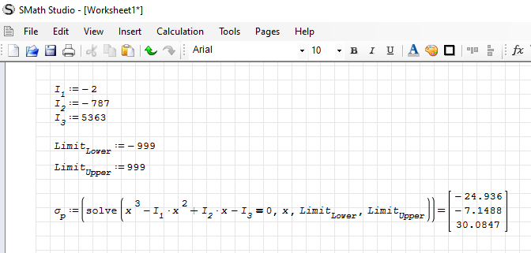

Cubic Root Equation |  | σp^3 - I1*σp^2 + I2*σp - I3 = 0
σp,a | -21.39000 | MPa | Principal Stress a
σp,b | -4.68520 | MPa | Principal Stress b
σp,c | 30.07520 | MPa | Principal Stress c
σ1 | 30.075 | MPa | Max Principal Stress 1 (Max)
σ2 | -4.685 | MPa | Principal Stress 2
σ3 | -21.390 | MPa | Principal Stress 3 (Min)

Output
σmax | 30.08 | MPa | Max Normal Stress (Principal)
σmin | -21.39 | MPa | Min Normal Stress (Principal)
|σ|max | 30.08 | MPa | Max Normal Stress (Principal) (Absolute Value)
τmax | 25.73 | MPa | Max Shear Stress (Principal)
SED | 18605.639214 | J/m^3 | Strain Energy Density
SE | 1.8293508033 | J | Strain Energy
σ' | 45.47528209 | MPa | Von Mises Stress
σ' | 45.475268004 | MPa | Von Mises Stress Check (without finding principal stresses)

Use Goal Seek
guess x | 1.2334602945E-09
 | x^3 | x^2 | x | const |  | y
coeff | 1 | -4.00 | -684.00 | 3014.00 | = | 3013.9999992

Circle 1 (2-3) |  |  | Circle 2 (1-2) |  |  | Circle 3 (1-3)
Sigmas | Tau >0 (Top Arc) | Tau<0 (Bottom Arc) | Sigmas | Tau >0 (Top Arc) | Tau<0 (Bottom Arc) | Sigmas | Tau >0 (Top Arc) | Tau<0 (Bottom Arc)
-21.390 | 0.000 | 0.000 | -4.685 | 0 | 0 | -21.390 | 0 | 0
-21.223 | 1.662 | -1.662 | -4.338 | 3.4586161309 | -3.4586161309 | -20.875 | 5.1207227448 | -5.1207227448
-21.056 | 2.339 | -2.339 | -3.990 | 4.866456 | -4.866456 | -20.361 | 7.205128 | -7.205128
-20.889 | 2.850 | -2.850 | -3.642 | 5.9296800401 | -5.9296800401 | -19.846 | 8.779305451 | -8.779305451
-20.722 | 3.273 | -3.273 | -3.295 | 6.8116194604 | -6.8116194604 | -19.331 | 10.085078361 | -10.085078361
-20.555 | 3.641 | -3.641 | -2.947 | 7.5758535419 | -7.5758535419 | -18.817 | 11.216580295 | -11.216580295
-20.388 | 3.967 | -3.967 | -2.600 | 8.2551376136 | -8.2551376136 | -18.302 | 12.222307808 | -12.222307808
-20.221 | 4.262 | -4.262 | -2.252 | 8.8690123504 | -8.8690123504 | -17.787 | 13.131192231 | -13.131192231
-20.054 | 4.532 | -4.532 | -1.904 | 9.4302601258 | -9.4302601258 | -17.273 | 13.962158762 | -13.962158762
-19.887 | 4.781 | -4.781 | -1.557 | 9.9477924651 | -9.9477924651 | -16.758 | 14.728401537 | -14.728401537
-19.720 | 5.011 | -5.011 | -1.209 | 10.42812 | -10.42812 | -16.243 | 15.43956 | -15.43956
-19.552 | 5.227 | -5.227 | -0.862 | 10.876173107 | -10.876173107 | -15.729 | 16.102933919 | -16.102933919
-19.385 | 5.428 | -5.428 | -0.514 | 11.295792982 | -11.295792982 | -15.214 | 16.724210452 | -16.724210452
-19.218 | 5.618 | -5.618 | -0.166 | 11.690041902 | -11.690041902 | -14.700 | 17.307923513 | -17.307923513
-19.051 | 5.796 | -5.796 | 0.181 | 12.061408008 | -12.061408008 | -14.185 | 17.857756971 | -17.857756971
-18.884 | 5.965 | -5.965 | 0.529 | 12.411945437 | -12.411945437 | -13.670 | 18.376752118 | -18.376752118
-18.717 | 6.124 | -6.124 | 0.876 | 12.743373135 | -12.743373135 | -13.156 | 18.867453972 | -18.867453972
-18.550 | 6.275 | -6.275 | 1.224 | 13.057146361 | -13.057146361 | -12.641 | 19.332017149 | -19.332017149
-18.383 | 6.418 | -6.418 | 1.572 | 13.354509585 | -13.354509585 | -12.126 | 19.77228417 | -19.77228417
-18.216 | 6.553 | -6.553 | 1.919 | 13.636536375 | -13.636536375 | -11.612 | 20.189844532 | -20.189844532
-18.049 | 6.682 | -6.682 | 2.267 | 13.90416 | -13.90416 | -11.097 | 20.58608 | -20.58608
-17.882 | 6.804 | -6.804 | 2.614 | 14.158197244 | -14.158197244 | -10.582 | 20.962199883 | -20.962199883
-17.715 | 6.920 | -6.920 | 2.962 | 14.39936721 | -14.39936721 | -10.068 | 21.319268861 | -21.319268861
-17.548 | 7.030 | -7.030 | 3.310 | 14.62830632 | -14.62830632 | -9.553 | 21.658229204 | -21.658229204
-17.381 | 7.134 | -7.134 | 3.657 | 14.845580435 | -14.845580435 | -9.038 | 21.979918706 | -21.979918706
-17.214 | 7.233 | -7.233 | 4.005 | 15.051694723 | -15.051694723 | -8.524 | 22.285085305 | -22.285085305
-17.047 | 7.327 | -7.327 | 4.353 | 15.247101775 | -15.247101775 | -8.009 | 22.574399094 | -22.574399094
-16.880 | 7.416 | -7.416 | 4.700 | 15.43220833 | -15.43220833 | -7.494 | 22.848462278 | -22.848462278
-16.713 | 7.500 | -7.500 | 5.048 | 15.607380891 | -15.607380891 | -6.980 | 23.107817489 | -23.107817489
-16.546 | 7.580 | -7.580 | 5.395 | 15.772950439 | -15.772950439 | -6.465 | 23.352954768 | -23.352954768
-16.379 | 7.655 | -7.655 | 5.743 | 15.929216419 | -15.929216419 | -5.950 | 23.584317466 | -23.584317466
-16.212 | 7.726 | -7.726 | 6.091 | 16.076450131 | -16.076450131 | -5.436 | 23.80230726 | -23.80230726
-16.044 | 7.792 | -7.792 | 6.438 | 16.21489762 | -16.21489762 | -4.921 | 24.007288437 | -24.007288437
-15.877 | 7.855 | -7.855 | 6.786 | 16.344782157 | -16.344782157 | -4.406 | 24.199591565 | -24.199591565
-15.710 | 7.913 | -7.913 | 7.133 | 16.466306374 | -16.466306374 | -3.892 | 24.379516656 | -24.379516656
-15.543 | 7.968 | -7.968 | 7.481 | 16.579654108 | -16.579654108 | -3.377 | 24.547335894 | -24.547335894
-15.376 | 8.018 | -8.018 | 7.829 | 16.684992 | -16.684992 | -2.863 | 24.703296 | -24.703296
-15.209 | 8.065 | -8.065 | 8.176 | 16.782470874 | -16.782470874 | -2.348 | 24.847620281 | -24.847620281
-15.042 | 8.108 | -8.108 | 8.524 | 16.872226947 | -16.872226947 | -1.833 | 24.980510417 | -24.980510417
-14.875 | 8.148 | -8.148 | 8.871 | 16.954382873 | -16.954382873 | -1.319 | 25.102148003 | -25.102148003
-14.708 | 8.184 | -8.184 | 9.219 | 17.029048651 | -17.029048651 | -0.804 | 25.212695902 | -25.212695902
-14.541 | 8.216 | -8.216 | 9.567 | 17.096322418 | -17.096322418 | -0.289 | 25.312299413 | -25.312299413
-14.374 | 8.245 | -8.245 | 9.914 | 17.156291133 | -17.156291133 | 0.225 | 25.401087283 | -25.401087283
-14.207 | 8.270 | -8.270 | 10.262 | 17.209031162 | -17.209031162 | 0.740 | 25.47917258 | -25.47917258
-14.040 | 8.292 | -8.292 | 10.609 | 17.254608792 | -17.254608792 | 1.255 | 25.546653445 | -25.546653445
-13.873 | 8.311 | -8.311 | 10.957 | 17.293080654 | -17.293080654 | 1.769 | 25.603613724 | -25.603613724
-13.706 | 8.326 | -8.326 | 11.305 | 17.324494087 | -17.324494087 | 2.284 | 25.650123506 | -25.650123506
-13.539 | 8.337 | -8.337 | 11.652 | 17.348887433 | -17.348887433 | 2.799 | 25.686239558 | -25.686239558
-13.372 | 8.346 | -8.346 | 12.000 | 17.366290274 | -17.366290274 | 3.313 | 25.712005679 | -25.712005679
-13.205 | 8.351 | -8.351 | 12.347 | 17.376723612 | -17.376723612 | 3.828 | 25.727452965 | -25.727452965
-13.038 | 8.352 | -8.352 | 12.695 | 17.3802 | -17.3802 | 4.343 | 25.7326 | -25.7326
-12.871 | 8.351 | -8.351 | 13.043 | 17.376723612 | -17.376723612 | 4.857 | 25.727452965 | -25.727452965
-12.704 | 8.346 | -8.346 | 13.390 | 17.366290274 | -17.366290274 | 5.372 | 25.712005679 | -25.712005679
-12.536 | 8.337 | -8.337 | 13.738 | 17.348887433 | -17.348887433 | 5.887 | 25.686239558 | -25.686239558
-12.369 | 8.326 | -8.326 | 14.085 | 17.324494087 | -17.324494087 | 6.401 | 25.650123506 | -25.650123506
-12.202 | 8.311 | -8.311 | 14.433 | 17.293080654 | -17.293080654 | 6.916 | 25.603613724 | -25.603613724
-12.035 | 8.292 | -8.292 | 14.781 | 17.254608792 | -17.254608792 | 7.431 | 25.546653445 | -25.546653445
-11.868 | 8.270 | -8.270 | 15.128 | 17.209031162 | -17.209031162 | 7.945 | 25.47917258 | -25.47917258
-11.701 | 8.245 | -8.245 | 15.476 | 17.156291133 | -17.156291133 | 8.460 | 25.401087283 | -25.401087283
-11.534 | 8.216 | -8.216 | 15.823 | 17.096322418 | -17.096322418 | 8.974 | 25.312299413 | -25.312299413
-11.367 | 8.184 | -8.184 | 16.171 | 17.029048651 | -17.029048651 | 9.489 | 25.212695902 | -25.212695902
-11.200 | 8.148 | -8.148 | 16.519 | 16.954382873 | -16.954382873 | 10.004 | 25.102148003 | -25.102148003
-11.033 | 8.108 | -8.108 | 16.866 | 16.872226947 | -16.872226947 | 10.518 | 24.980510417 | -24.980510417
-10.866 | 8.065 | -8.065 | 17.214 | 16.782470874 | -16.782470874 | 11.033 | 24.847620281 | -24.847620281
-10.699 | 8.018 | -8.018 | 17.561 | 16.684992 | -16.684992 | 11.548 | 24.703296 | -24.703296
-10.532 | 7.968 | -7.968 | 17.909 | 16.579654108 | -16.579654108 | 12.062 | 24.547335894 | -24.547335894
-10.365 | 7.913 | -7.913 | 18.257 | 16.466306374 | -16.466306374 | 12.577 | 24.379516656 | -24.379516656
-10.198 | 7.855 | -7.855 | 18.604 | 16.344782157 | -16.344782157 | 13.092 | 24.199591565 | -24.199591565
-10.031 | 7.792 | -7.792 | 18.952 | 16.21489762 | -16.21489762 | 13.606 | 24.007288437 | -24.007288437
-9.864 | 7.726 | -7.726 | 19.299 | 16.076450131 | -16.076450131 | 14.121 | 23.80230726 | -23.80230726
-9.697 | 7.655 | -7.655 | 19.647 | 15.929216419 | -15.929216419 | 14.636 | 23.584317466 | -23.584317466
-9.530 | 7.580 | -7.580 | 19.995 | 15.772950439 | -15.772950439 | 15.150 | 23.352954768 | -23.352954768
-9.363 | 7.500 | -7.500 | 20.342 | 15.607380891 | -15.607380891 | 15.665 | 23.107817489 | -23.107817489
-9.195 | 7.416 | -7.416 | 20.690 | 15.43220833 | -15.43220833 | 16.180 | 22.848462278 | -22.848462278
-9.028 | 7.327 | -7.327 | 21.037 | 15.247101775 | -15.247101775 | 16.694 | 22.574399094 | -22.574399094
-8.861 | 7.233 | -7.233 | 21.385 | 15.051694723 | -15.051694723 | 17.209 | 22.285085305 | -22.285085305
-8.694 | 7.134 | -7.134 | 21.733 | 14.845580435 | -14.845580435 | 17.724 | 21.979918706 | -21.979918706
-8.527 | 7.030 | -7.030 | 22.080 | 14.62830632 | -14.62830632 | 18.238 | 21.658229204 | -21.658229204
-8.360 | 6.920 | -6.920 | 22.428 | 14.39936721 | -14.39936721 | 18.753 | 21.319268861 | -21.319268861
-8.193 | 6.804 | -6.804 | 22.776 | 14.158197244 | -14.158197244 | 19.268 | 20.962199883 | -20.962199883
-8.026 | 6.682 | -6.682 | 23.123 | 13.90416 | -13.90416 | 19.782 | 20.58608 | -20.58608
-7.859 | 6.553 | -6.553 | 23.471 | 13.636536375 | -13.636536375 | 20.297 | 20.189844532 | -20.189844532
-7.692 | 6.418 | -6.418 | 23.818 | 13.354509585 | -13.354509585 | 20.811 | 19.77228417 | -19.77228417
-7.525 | 6.275 | -6.275 | 24.166 | 13.057146361 | -13.057146361 | 21.326 | 19.332017149 | -19.332017149
-7.358 | 6.124 | -6.124 | 24.514 | 12.743373135 | -12.743373135 | 21.841 | 18.867453972 | -18.867453972
-7.191 | 5.965 | -5.965 | 24.861 | 12.411945437 | -12.411945437 | 22.355 | 18.376752118 | -18.376752118
-7.024 | 5.796 | -5.796 | 25.209 | 12.061408008 | -12.061408008 | 22.870 | 17.857756971 | -17.857756971
-6.857 | 5.618 | -5.618 | 25.556 | 11.690041902 | -11.690041902 | 23.385 | 17.307923513 | -17.307923513
-6.690 | 5.428 | -5.428 | 25.904 | 11.295792982 | -11.295792982 | 23.899 | 16.724210452 | -16.724210452
-6.523 | 5.227 | -5.227 | 26.252 | 10.876173107 | -10.876173107 | 24.414 | 16.102933919 | -16.102933919
-6.356 | 5.011 | -5.011 | 26.599 | 10.42812 | -10.42812 | 24.929 | 15.43956 | -15.43956
-6.189 | 4.781 | -4.781 | 26.947 | 9.9477924651 | -9.9477924651 | 25.443 | 14.728401537 | -14.728401537
-6.022 | 4.532 | -4.532 | 27.294 | 9.4302601258 | -9.4302601258 | 25.958 | 13.962158762 | -13.962158762
-5.855 | 4.262 | -4.262 | 27.642 | 8.8690123504 | -8.8690123504 | 26.473 | 13.131192231 | -13.131192231
-5.687 | 3.967 | -3.967 | 27.990 | 8.2551376136 | -8.2551376136 | 26.987 | 12.222307808 | -12.222307808
-5.520 | 3.641 | -3.641 | 28.337 | 7.5758535419 | -7.5758535419 | 27.502 | 11.216580295 | -11.216580295
-5.353 | 3.273 | -3.273 | 28.685 | 6.8116194604 | -6.8116194604 | 28.017 | 10.085078361 | -10.085078361
-5.186 | 2.850 | -2.850 | 29.032 | 5.9296800401 | -5.9296800401 | 28.531 | 8.779305451 | -8.779305451
-5.019 | 2.339 | -2.339 | 29.380 | 4.866456 | -4.866456 | 29.046 | 7.205128 | -7.205128
-4.852 | 1.662 | -1.662 | 29.728 | 3.4586161309 | -3.4586161309 | 29.561 | 5.1207227448 | -5.1207227448
-4.685 | 0.000 | 0.000 | 30.075 | 0 | 0 | 30.075 | 0 | 0

MaxShearStressMSS Criteria Info
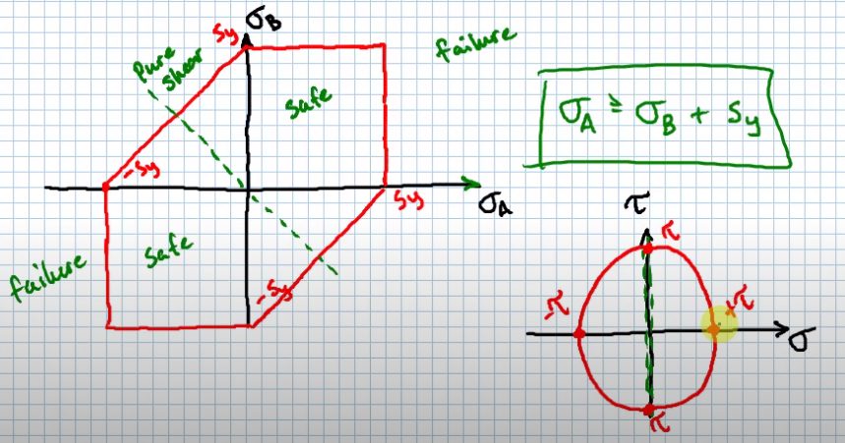
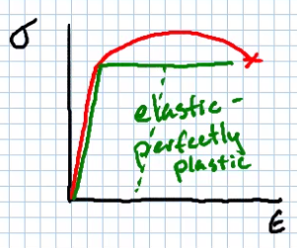
J.Williams | Taken from Shigley's and a lecture from Michael Swanbom.
 | Maximum Shear-Stress (MSS) Failure Criteria
 | In static loading of ductile materials, it is not as important to look at stress concentrations.
 | As stress is increased, stress distribution becomes more uniform for ductile materials, which is why we typically can disregard stress concentrations in ductile materials. See 5-4 in Shigley's. | Typical Ductile Stress-Strain Diagram
 | The MSS Failure Theory predicts that yielding begins whenever the maximum shear stress in any element equals or exceeds the amaximum shear stress in a tension-test specimen of the same material when that specimen begins to yield. Also called the Tresca or Guest Theory
 | Slip/Luder lines form at approximately 45 deg angles to the axis of the test specimen. This is often a good indication of the beginning of yielding. When loaded to fracture, fracutre lines are also seen at these same angles.
 | Since the shear stress is maximum at 45 degrees from the axis of tension, it makes sense to think of this as the mechanicsm of failure. However, this is a conservative approach, but engineers are typically conservative so this theory is often used.
 | When the maximum shearing stress on a part in service reachesd the amount of shearing stress in a tensile speciment that causes it to fail, we predict the part will fail.

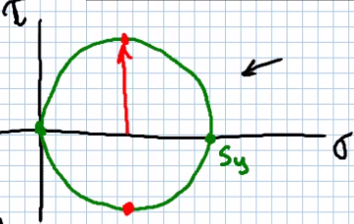
 | Where stresses are typically the highest, is on a 'free surface' of a part (e.g., the OD of a shaft, for instance), and so there is typically one plane that has no normal stress acting on it.
 | In this case, one of the principal stresses is zero.
 | There are three cases that are possible for this.
 | 1) Both principle stresses are positive.
 | 2) Both principle stresses are negative.
 | 3) One principle stress is positive, one is negative.
 | For the 2nd scenario, the part is in compression. Typically for most ductile metals (and many other materials), it is safe to assume that the compressive yielding strength is equal to the tensile yielding strength.

 | If we let sigma_A and sigma_B represent principle stresses (not using numbers here since this is a special case where one principle stress is at zero).
 | From the first case, we see that if the principle stress is taken as the yield point (we are looking at the mohr's circle when the part is about to fail), this would mean that the radius (of the largest circle) would be sigma_p/2 or Sy/2.
 | This means that in this failure case, max shear is experienced at (t_max=S_y/2)

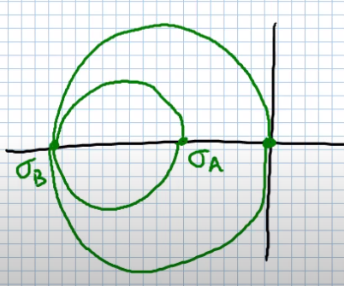
 | From the second case, it is similar to case 1, but with negative S_y. (sigma_b = -S_y)

 | From the third case, (sigma_a-sigma_b)/2 = t_max=S_y/2
 | This means sigma_A=sigma_B+S_y

 | Failure Predictions
 | Case 1) Sigma_A >= S_y (Principle Stress is greater than the Yield Stength)
 | Case 2) Sigma_B <= -S_y
 | Case 3) Sigma_A >= Sigma_B + S_y

 | We can then plot the principle stresses against one another. This is often called the failure locus for the MSS criterion, or the Tresca hexagon.
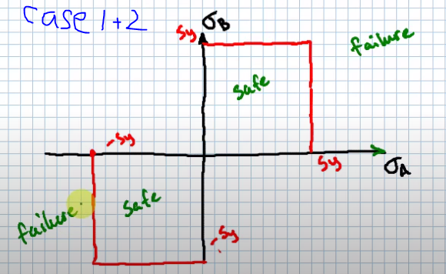
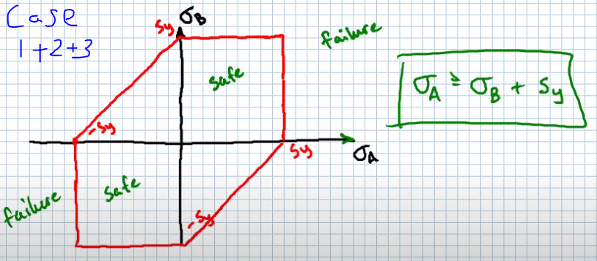

 | There are a few charts shown to the right to demonstrate this.

 | Note that if we have pure shear, the mohr's circle shows that one principle stress is the negative of the other.
 | So if we plot this same scenario on the Tresca hex, it is a negative slope of 1.

DuctileCoulombMohr Crit Theory
Materials typically classified as ductile if strain at fracture/failure is at least 5% elongation, and have identifiable ield strength, which is often the same as in compression.
Materials typicall classified as brittle have less than 5% elongation at fracture/failure, and are usually classified by ultimate tensile and compressive strengths.
For a material that has different strengths for compressive vs tensile, we need to find a way to relate the two.
An example of why materials may behave differently in compressive vs tensile condition, is that of ductile iron vs cast iron. Something like graphite in the iron may become 'flaky', and not adhere to materials around it, and thus not contribute much in a tensile condition, but will be utilized in compressive. Think of stacking broken cardboard boxes between two plates with springs around the perimeter of the plates. in tension, the springs would be only thing resisting, but in compression, you must also resist the cardboard.

Have notmade a spreadsheet with calcs for this yet
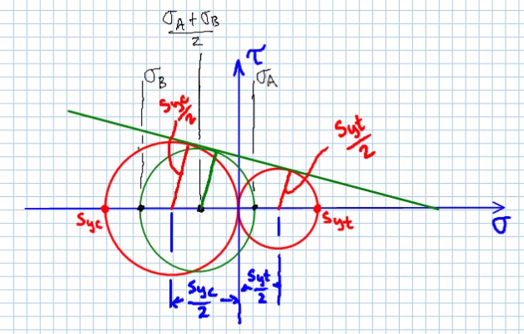

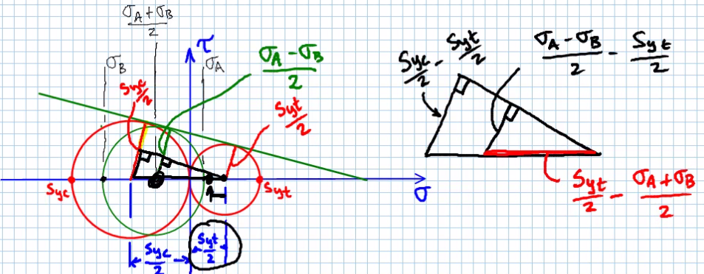

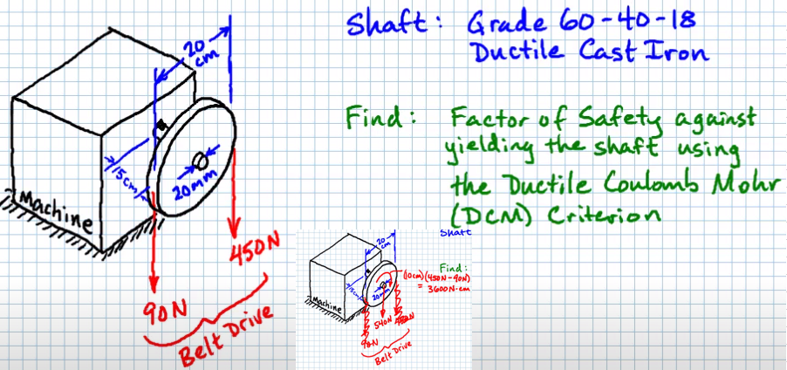

 | since tension strength usually worse, evaluate at top side of end of shaft
 | F | 540 | N | equivalent force
 | M | 81000 | N*mm | moment
 | c | 10 | mm | rad of shaft
 | I | 7853.981634 | mm^4 | moment of inertia
 | sigma_flex | 103.13240312 | MPa | normal stress due to bending
 | T | 36000 | N*mm | torque
 | J | 15707.963268 | mm^4 | polar second moment area of shaft
 | tau | 22.918311805 | MPa | Torsional stress
 | sigma_x | 103.13240312
 | sigma_y | 0
 | tau_xy | 22.918311805
 | sigma_a | 107.99600007 |  | principal stress
 | sigma_b | -4.863596945 |  | principal stress
 | S_y,t | 329 | MPa | yield strength, tensile
 | S_y,c | 359 | MPa | yield strength, compressive
 | n | 2.9256623444 | - | Coulomb-Mohr Factor of Safety

 |  |  |  |  | point | sigma_a | sigma_b
 |  |  |  |  | 1 | 329 | 0
 |  |  |  |  | 2 | 329 | 329
 |  |  |  |  | 3 | 0 | 329
 |  |  |  |  | 4 | -359 | 0
 |  |  |  |  | 5 | -359 | -359
 |  |  |  |  | 6 | 0 | -359
 |  |  |  |  | 1 | 329 | 0

